(2) wastewaterdemand
Determinate of waste water

We are going to design a gravitational separeted waste water system on our designing area. The meaning of the separeted system is that the waste water and the storm water flow in the different pipes. We calculate the waste water quantity from the water consumtion. The waste water pipe is dimensioned for maximum waste water quantity. The maximum waste water quantity is calculated with following value: - the peak water demand without loss - waste-water fraction - hourly-peak ratio

Derivation of waste water | maximum water consumption (m3/day) | Waste water fraction / sewage ratio | Maximum waste water quantity (m3/day) | hourly-peak ratio | hourly maximum waste water quantity (m3/hour)
dweller | 325.9872 | 0.85 | 277.08912 | 0.083 | 23.09076
public institution | 256.08 | 0.85 | 217.668 | 0.083 | 18.139
technological water | 1100 | 0.85 | 935 | 0.083 | 77.916666667
social water | 63.36 | 0.85 | 53.856 | 0.083 | 4.488

The peak water demand: We use this value and not the designing water, because the loss of water won' t waste water.
Waste-water fraction/sewage ratio: This value shows us how much proportion of water will waste water. It depends on the applications mode of water. For example in a village, where the water is used for watering to this value is lower than in a city center.
Hourly peak ratio/Peak flow coefficient show us how many proportion of waste water flows in the peak hour in the drainage. This value is varied by the peoples habbit. For example this value in a small village is 1/10 in a big city is 1/22.

Design of the pipes

First, we can calculate the loads for each design point :
Point number | Catchment | Catchment areas | Waste water load due to : |  |  |  | Total design load
 |  |  | Inhabitants | Public institution | Communal demand | Technological demand
 |  | [m2] | [m3/h] | [m3/h] | [m3/h] | [m3/h] | [m3/h]
0 | S1 + S2 + S3 + S4 | 269520 | 325.987 | 18.139 | 4.488 | 77.917 | 426.531
1 | S1 | 92456 | 111.826 |  | 4.488 | 77.917 | 194.231
2 | S2 | 34136 | 41.288 |  |  |  | 41.288
3 | S3 | 69485 | 84.043 | 18.139 |  |  | 102.182
4 | S4 | 73443 | 88.830 |  | 4.488 | 77.917 | 171.235
 | TOTAL AREA OF THE ZONE : | 269520

Then, we can define at what depth in the soil we have to bury the pipes of the network :
Pipe number | Length of the pipes | Depth of the inlet point of the pipe | Depth of the outlet point of the pipe | Slope

 | [m] | [m] | [m] | [‰]
0 | 670 | 3.243 | 8 | 7.1
1 | 100 | 2.533 | 3.243 | 7.1
2 | 100 | 1.823 | 2.533 | 7.1
3 | 100 | 1.113 | 1.823 | 7.1
4 | 100 | 0.403 | 1.113 | 7.1

Finally, we can find the diameter of the pipes :
Pipe number | Slope | Roughness of the pipe | Diameter of the pipes d | vtot | Qtot | Qdesign | Qdesign/Qtot

 | [‰] | [mm] | [m] | [m/s] | [L/s] | [L/s]
0 | 7.1 | 0.4 | 0.4 | 1.660 | 208.628 | 118.481 | 0.568
1 | 7.1 | 0.4 | 0.4 | 1.660 | 208.628 | 53.953 | 0.259
2 | 7.1 | 0.4 | 0.2 | 1.067 | 33.513 | 11.469 | 0.342
3 | 7.1 | 0.4 | 0.4 | 1.660 | 208.628 | 28.384 | 0.136
4 | 7.1 | 0.4 | 0.4 | 1.660 | 208.628 | 47.565 | 0.228

vdesign/vtot and the ratio h/d from Qdesign/Qtot :
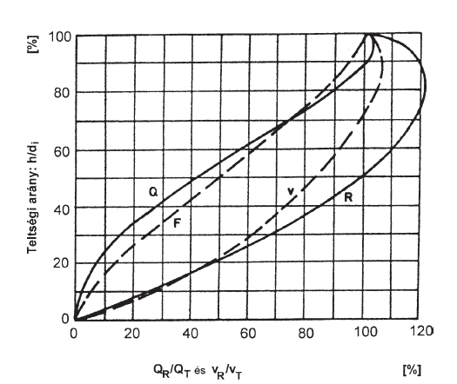

Pipe number | Qdesign/Qtot | vdesign/vtot | h/d | Diameter of the pipes d | h

 | [%] | [%] | [%] | [m] | [m]
0 | 57 | 98 | 67 | 0.4 | 0.268
1 | 26 | 80 | 47 | 0.4 | 0.188
2 | 34 | 83 | 50 | 0.2 | 0.100
3 | 14 | 69 | 33 | 0.4 | 0.132
4 | 23 | 79 | 45 | 0.4 | 0.180

